Combined analysis
Participant | Mean Self RT | Mean Other RT | Mean Neutral RT
P1 | 0.484654966 | 0.478402799 | 0.474501768
P2 | 0.566708118 | 0.566593322 | 0.561280711
P3 | 0.67250595 | 0.61602108 | 0.58035553
P4 | 0.46930705 | 0.42262255 | 0.42323037
P5 | 0.44565898 | 0.41606201 | 0.44309704
 | 0.5277670128 | 0.4999403522 | 0.4964930838 | (the highlighted values here are the average of the Mean RTs of combimed 5 participants)

Comparision of conditions (self vs other, and self vs neutral words)
Participant | Self-other | Self-neutral
P1 | 0.00625217 | 0.0101532
P2 | 0.000114796 | 0.005427407
P3 | 0.05648488 | 0.09215043
P4 | 0.0466845 | 0.04607667
P5 | 0.02959697 | 0.00256194
 | 0.0278266632 | 0.0312739294 |  | (the highlighted values here are the average of the differences)

Accuracy in (%)
Participants | Self Words | Other Words | Neutral Words
P1 | 97.5 | 97.5 | 93.75
P2 | 93.75 | 95 | 97.5
P3 | 98.75 | 97.5 | 98.75
P4 | 92.5 | 92.5 | 95
P5 | 91.25 | 91.25 | 98.75
 | 94.75 | 94.75 | 96.75

REACTION TIME ANALYSIS | Descriptive Statistics

 | Repeated Measures Anova

 | Post Hoc Comparisons Test

 | RT Descriptive Plot
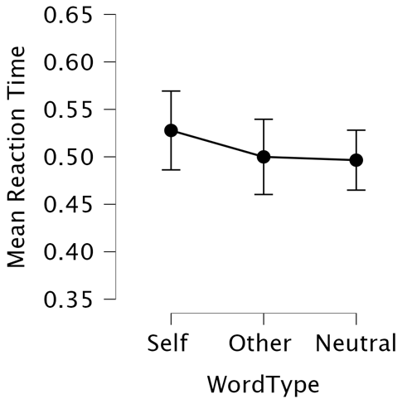

ACCURACY ANALYSIS | Repeated Measures Anova (accuracy)

 | Descriptive Statistics

 | Accuracy Descriptive Plot





